Request
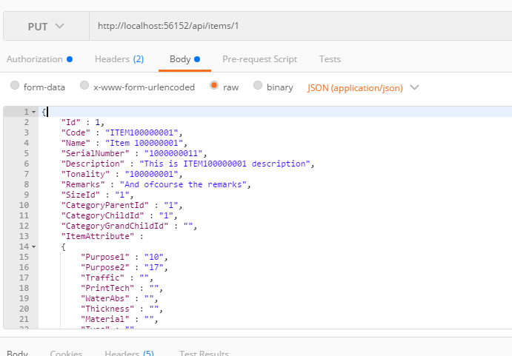
Parameter | Data Type | Length | Required | Unique | Remarks
Token | String |  | Yes |  | Bearer Token see AuthenticateAPI docu
Id | Int |  | Yes
Code | String |  | Yes
Name | String |  | Yes
SerialNumber | Int |  | Yes | Yes
Description | String
Tonality | String |  | Yes
Remarks | String
SizeId | Int |  | Yes
CategoryParentId | Int |  |  |  | See CategoriesAPI docu
CategoryChildId | Int |  |  |  | See CategoriesAPI docu
CategoryGrandChildId | Int |  |  |  | See CategoriesAPI docu
ItemAttribute | Object
Purpose1 | Int |  | Yes |  | See TypesAPI docu refer Purposes1 sheet
Purpose2 | Int |  | Yes |  | See TypesAPI docu refer Purposes2 sheet
Traffic | Int |  |  |  | See TypesAPI docu refer Traffics sheet
PrintTech | String
WaterAbs | String
Thickness | String
Material | Int
Type | Int
SubType | Int
CakeLayer | Int
SurfaceFin | Int
Rectified | Int
Feature | Int
BreakageStrength | Int
SlipResistance | Int
Weight | Int
NoOfPattern | Int

Example

Response
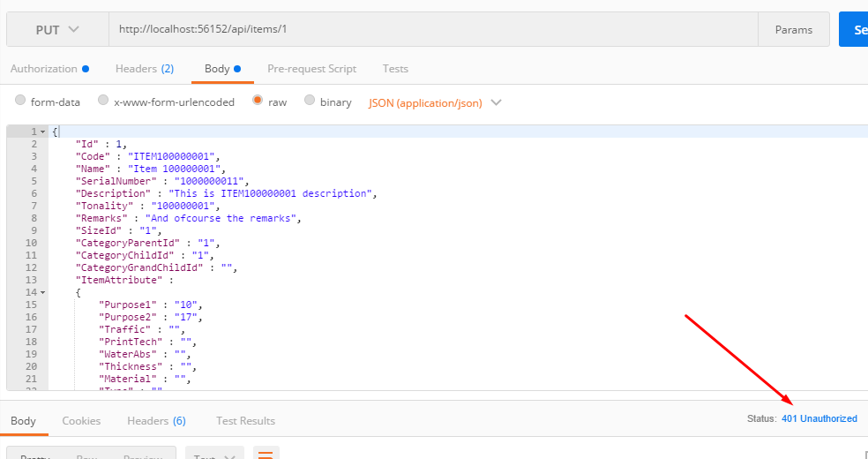
Unauthorized Response

